Sheet1
Task III
1. Open UI and API

2. Create a restaurant (using UI) and sumbit
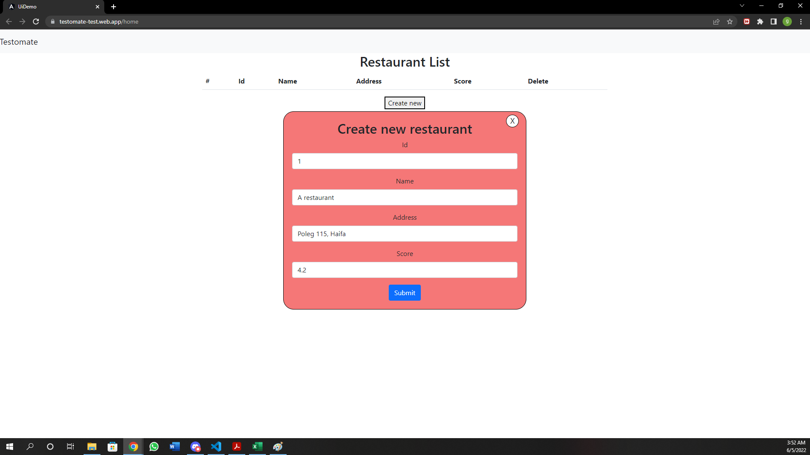
3. In API, View restaurants list via Get all restaurants. Also check UI list

4. Delete the restaurant you created (using UI)
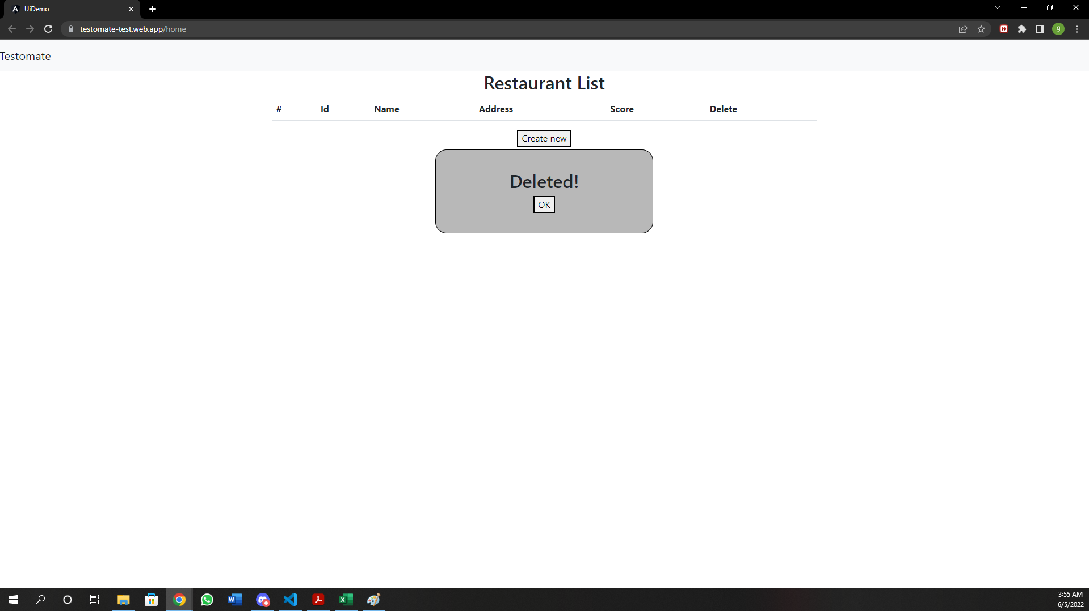
5. In API, View restaurants list via Get all restaurants. Also check UI list

